Sheet1
 | Q 1 - Noisy OR
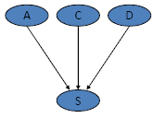
 | A | 0.35
 | C | 0.6
 | D | 0.82

 | X|A | 0.4 |  | Leak | 0
 | X|C | 0.8
 | X|D | 0.1

CPT
 | A | C | D | P(X/*)
1 | T | T | T | 0.892
2 | T | T | F | 0.88
3 | T | F | T | 0.46
4 | T | F | F | 0.4
5 | F | T | T | 0.82
6 | F | T | F | 0.8
7 | F | F | T | 0.1
8 | F | F | F | 0

